Sheet1
PIONEER SERVICES

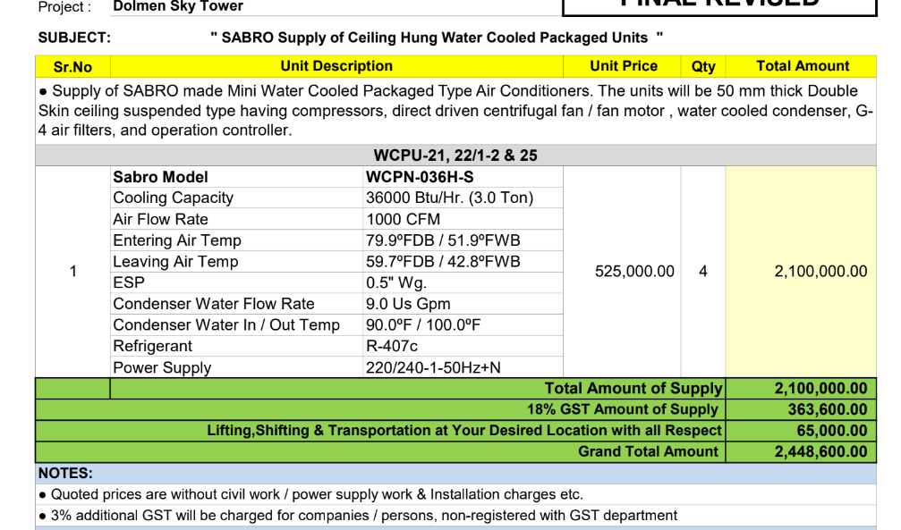
M/S Sabro Technologies (Pvt) Ltd |  |  |  |  | 12-Dec-23

Att: Mr. Faraz Hameed

PURCHASE ORDER

Water Cooled Package Unit for the project (Ernst & Young DMC Karachi)
S No. | D e s c r i p t i o n |  | Qty | Rate | Amount
 | WCPU-21,22/1-2 & 25
 | Sabro Model | WCPN-036H-S
 | Cooling Capacity | 36000 Btu/Hr. (3.0 Ton) | 3 | 525,000 | 1,575,000
 | Air Flow Rate | 1000 CFM
 | Entering Air Temp | 79.9ºFDB / 51.9ºFWB
 | Leaving Air Temp | 59.7ºFDB / 42.8ºFWB
 | ESP | 0.5" Wg.
 | Condenser Water Flow Rate | 9.0 Us Gpm
 | Condenser Water In / Out Temp | 90.0ºF / 100.0ºF
 | Refrigerant | R-407c
 | Power Supply | 220/240-1-50Hz+N
 |  |  | TOTAL: |  | 1,575,000

Note: Above PO is subject to approval from the consultant.

for PIONEER ENGINEERING SERVICES

